Pivot Table 4
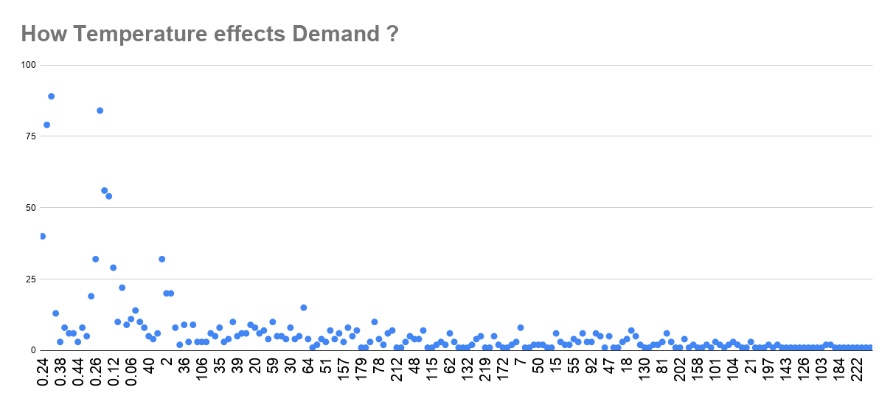
SUM of cnt vs weekday
Which day of the week has the highest bike rentals?

How does temperature affect bike rentals?

